FR A0200
University | Ecole Centrale de Lyon |  |  |  | Back to BOM |  |  |  | Car # | 81 | Asm Cost | $46.71
System | Frame & Body |  |  |  |  |  |  |  |  |  | Qty | 1
Assembly | Impact Attenuator |  |  |  |  |  |  |  | FileLink1
P/N Base | FR A0200 |  |  |  |  |  |  |  | FileLink2 |  | Extended Cost | $46.71
Suffix | AA |  |  |  |  |  |  |  | FileLink3
Details | FSAE Impact Attenuator

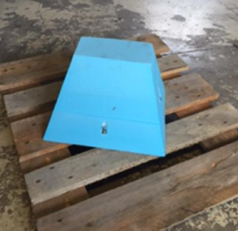
ItemOrder | Part | Part Cost | Quantity | Sub Total
10 | Impact Attenuator | $35.19 | 1 | $35.19
 |  |  | Sub Total | $35.19

ItemOrder | Process | Use | UnitCost | Unit | Quantity | Multiplier | Mult. Val. | Sub Total
10 | Assemble, 1 kg, Loose | Assemble Attenuator on IA Plate | $0.06 | Unit | 1 |  | 1 | $0.06
20 | Ratchet <= 25.4 mm | Bolt Attenuator on Plate | $0.75 | Unit | 8 |  | 1 | $6.00
30 | Reaction Tool <= 25.4 mm | Bolt Attenuator on Plate | $0.25 | Unit | 8 |  | 1 | $2.00
 |  |  |  |  |  |  | Sub Total | $8.06

ItemOrder | Fastener | Use | UnitCost | Size1 | Unit1 | Size2 | Unit2 | Quantity | Sub Total
10 | Bolt,Grade 8.8 (SAE 5) |  | $0.39 | 8 | mm | 80 | mm | 6 | $2.32
20 | Bolt,Grade 8.8 (SAE 5) |  | $0.53 | 8 | mm | 100 | mm | 1 | $0.53
30 | Bolt,Grade 8.8 (SAE 5) |  | $0.21 | 8 | mm | 50 | mm | 1 | $0.21
40 | Nut, Grade 8.8 (SAE 5) |  | $0.04 | 8 | mm |  |  | 8 | $0.36
50 | Washer, Grade 8.8 (SAE 5) |  | $0.01 | 1 | Unit |  |  | 4 | $0.04
 |  |  |  |  |  |  |  | Sub Total | $3.45

